variables_binned
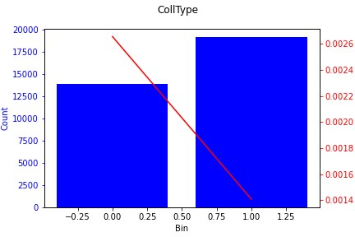
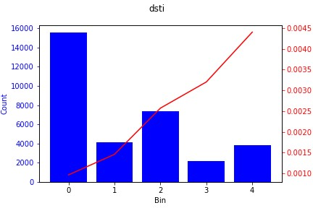
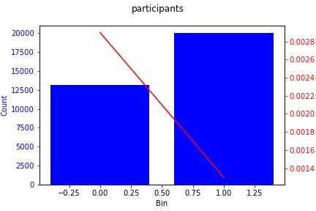
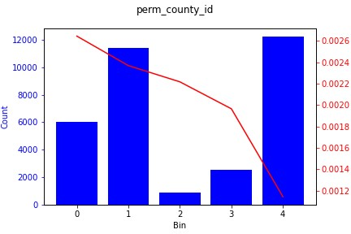
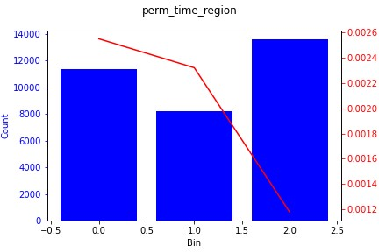
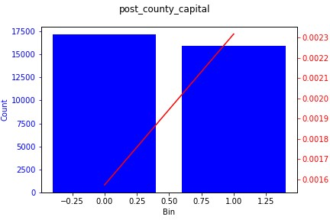

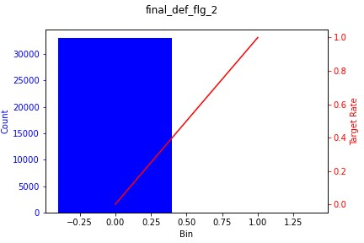

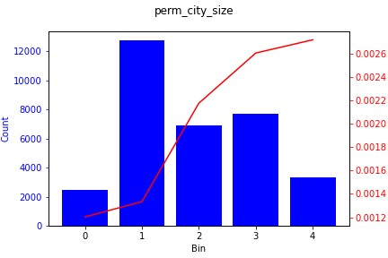
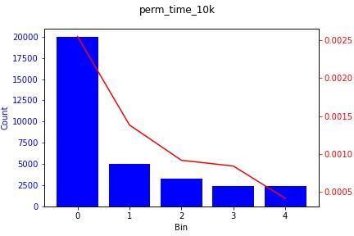
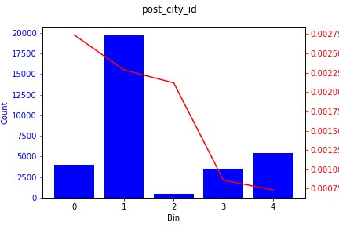
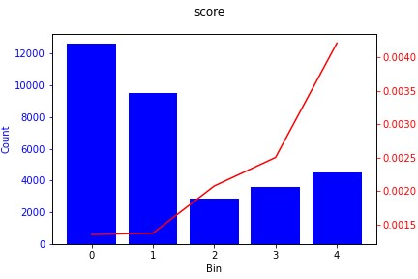

correlation_matrix
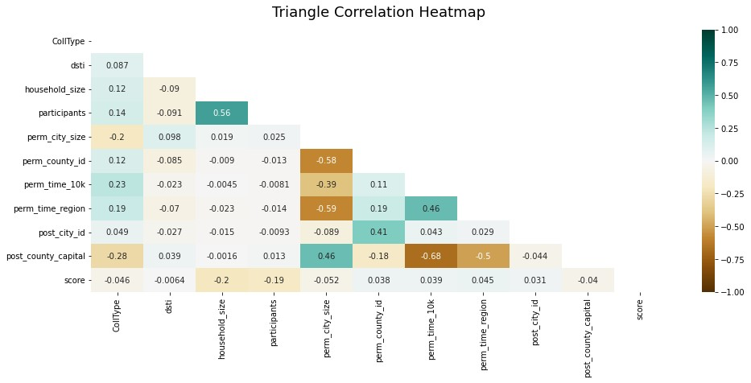
 | CollType | dsti | participants | perm_county_id | perm_time_10k | perm_time_region | post_city_id | score
CollType | 1 | -0.053799371019 | 0.14291417422 | 0.10840899072 | 0.19749224228 | 0.16394143392 | 0.075808481366 | 0.051388816092
dsti | -0.053799371019 | 1 | 0.09393127386 | 0.053684585351 | 0.031836642722 | 0.058811697146 | 0.030109835235 | -0.0084208266262
participants | 0.14291417422 | 0.09393127386 | 1 | -0.0028481018973 | -0.0063162607601 | -0.016691996926 | -0.0012831490368 | 0.20733544936
perm_county_id | 0.10840899072 | 0.053684585351 | -0.0028481018973 | 1 | 0.096371405319 | 0.13019714616 | 0.6674619693 | -0.030365721379
perm_time_10k | 0.19749224228 | 0.031836642722 | -0.0063162607601 | 0.096371405319 | 1 | 0.37135572736 | 0.090839112732 | -0.04592024182
perm_time_region | 0.16394143392 | 0.058811697146 | -0.016691996926 | 0.13019714616 | 0.37135572736 | 1 | 0.077414771649 | -0.036981398654
post_city_id | 0.075808481366 | 0.030109835235 | -0.0012831490368 | 0.6674619693 | 0.090839112732 | 0.077414771649 | 1 | -0.029555537552
score | 0.051388816092 | -0.0084208266262 | 0.20733544936 | -0.030365721379 | -0.04592024182 | -0.036981398654 | -0.029555537552 | 1

